Sheet1


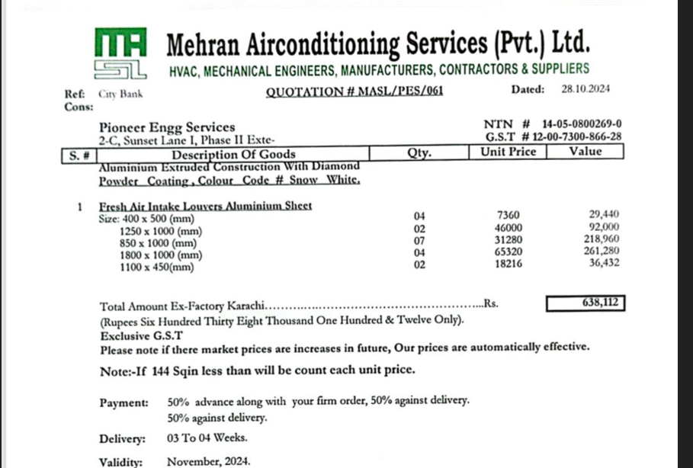
M/S IK Associates |  |  |  |  |  |  | 2024-12-16

Project: Citi bank DMC Karachi

Attn: Syed Talal

Variation order for Air Devices

S. # | Description | Material Rate | Over Head profit 28% | Total Rates | Unit | Qty | Amount
1 | Supply of Fresh air intake louvers
 | i) 400 x 500 mm | 7,360 | 2,061 | 9,421 | Nos | 4 | 37,683
 | ii) 1250 x 1000 mm | 46,000 | 12,880 | 58,880 | Nos | 2 | 117,760
 | iii) 850 x 1000 mm | 31,280 | 8,758 | 40,038 | Nos | 7 | 280,269
 | iv) 1800 x 1000 mm | 65,320 | 18,290 | 83,610 | Nos | 4 | 334,438
 | v) 1100 x 450 mm | 18,216 | 5,100 | 23,316 | Nos | 2 | 46,633
2 | Installation of Fresh air intake louvers
 | i) 400 x 500 mm | 5,000 | 1,400 | 6,400 | Nos | 4 | 25,600
 | ii) 1250 x 1000 mm | 10,000 | 2,800 | 12,800 | Nos | 2 | 25,600
 | iii) 850 x 1000 mm | 10,000 | 2,800 | 12,800 | Nos | 7 | 89,600
 | iv) 1800 x 1000 mm | 10,000 | 2,800 | 12,800 | Nos | 4 | 51,200
 | v) 1100 x 450 mm | 10,000 | 2,800 | 12,800 | Nos | 2 | 25,600
Total Amount Rs. |  |  |  |  |  |  | 1,034,383

Note: Vendor's quotation attached

Thanking you,

For PIONEER ENGINEERING SERVICES.

Bilal Habib

